Instructions
Basic Instructions
Important!!
False
This section will be updated in an upcoming version. For now, you can find a PPT on the DYB DropBox that will show you the important details about using this file.
It can be found at:
/ DYB Choisun Education Group / 1 - Elementary / 4 - Speaking Evaluations / Speaking Eval Spreadsheet Instructions.pptx
View:
Instructions
You are STRONGLY recommended to SAVE and QUIT any work you are currently doing in PowerPoint. While this program is designed to only modify specific target files, there is always the chance of unexpected behaviour resulting in lose of work.

Important Files
Most of these will be automatically downloaded in the background and placed into the Resources folder. The only requirement being connected to the internet the first time you... a) ...open this file,
b) ...try to create reports (or proofs),
c) ...try to create winner certificates.
The only one that isn't downloaded is the mySignature template. You can download it by clicking the button to the left, and instructions on what to do with it are found on the Options sheet.
Downloads & Seeing the Code
The code embedded in this file is password-protected in order to avoid any accidental changes. However, you are more than welcome to see the code in case you are curious. I have also included some comments (admittedly, these are in a rather poor state and mostly missing now due to major retooling of the code to improve performance and add new features) in order to help those unfamiliar with programming to understand what is happening and why. (Fair warning, I am self-taught and much of the code could definitely be improved / beautified.)
Click on one of the buttons below to either download the file or visit the website:
View:
Source Code
Download:
mySignature Template
Download:
Report Template
Download:
Latest Spreadsheet
Download:
Required Fonts

Planned Improvements & Bug Reporting
Version: 4.0.0
General Planned Improvements:
- Import names from previous versions of this file
- Further code optimizations; option for different fonts (specifically for comments) on reports; update cert previews with new font, etc.
- Improve custom dialog windows on MacOS (icons, dialog types, etc.)
- Optimize opening PowerPoint on MacOS (try loading only one window instead of the current two)
- Update hash-check-on-load to also handle 7zip (and not simply the fonts)
Reporting Bugs: (Feature requests also welcome.)
If you discover what you suspect to be a bug, I am happy to try to fix it. To make reproducing the error easier, please write a message (a Word or txt file) letting me know what you were doing before encountering the problem. Then, add both that file and your current copy of this spreadsheet into a zip file. You can either ask your team leader to send it to me via Kakao Talk, or you can email it to me at dyb.warrenfeltmate@gmail.com.
Please also include the following details:
- OS & Version (e.g. Windows 11 or MacOS 14.7.3)
- MS Office version (e.g. Microsoft 365 or Office 2016)
- Do you use cloud storage (e.g. OneDrive, iCloud, Google Drive)? If so, which?
- Where did you save this file? (Please send the complete path.)
- Was the Resources folder successfully created? If so, what files are present in it?
- What button did you click, if any?
- What error message, if any, was displayed?
- Did you install SpeakingEvals.scpt (MacOS only)?
- Can you type in Korean on your keyboard?

Options
Creating Your Signature
Signature
Advanced
Creating Your Signature:
1) Open the file 'mySignature.png' on a tablet, smartphone, or other touchscreen device.
You can download a copy by clicking on the "Download mySignature Template" button
present on the Instructions sheet.
2) Sign your signature (ideally using a stylus) as you normally would, filling as much as the
white space as you can. Try to avoid touching the edges when signing so that it doesn't
appear as though your signature has been cropped.
3) Save the image as 'mySignature.png' and put it in the same folder as this Excel file.
Note: If creating your signature from a new file, use a white background and set the pixel dimensions
to 819x204. These will provide a high-quality look to the signature and avoid a quirk that adds a
border/shadow around the image when inserted into the reports.
Embedding Your Signature in This File: (Recommended)
1) Right-click on the white rectangle in the 'Signature' box. Choose 'Change Picture' and then 'This Device...'.
In the window that appears, select mySignature.png image you created. If it worked right, you should now
see your signature.
2) Click on the grey "Signature Missing" button, and it should turn green and display "Signature Embedded".
3) Finally, put your 'mySignature.png' somewhere to keep it safe in case you update this spreadsheet.
Default
31 Dec 2025
31 Dec. 2025 | Microsoft Office Version | Microsoft 365
Dec 31, 2025 | Display tips when entering class & student information. | No
Signature Missing
Dec. 31, 2025 | Open destination folder after generating files. | Yes
2025 Dec 31 | Preferred Date Formatting | Default
2025 Dec. 31 | Hide SAVE ERROR and POWERPOINT CLOSE DELAY messages. | No
31 Dec | Enable DEBUG and LOG file creation. | No
31 Dec. | Enable Text Autocomplete Feature | No
Dec 31 | Fonts needed for reports and certificates are installed. | Yes
Create New Class Sheet
Dec. 31 | 7zip support enabled. | Yes
Dec 2025
Dec. 2025
Options & Preview
Winner Certificates
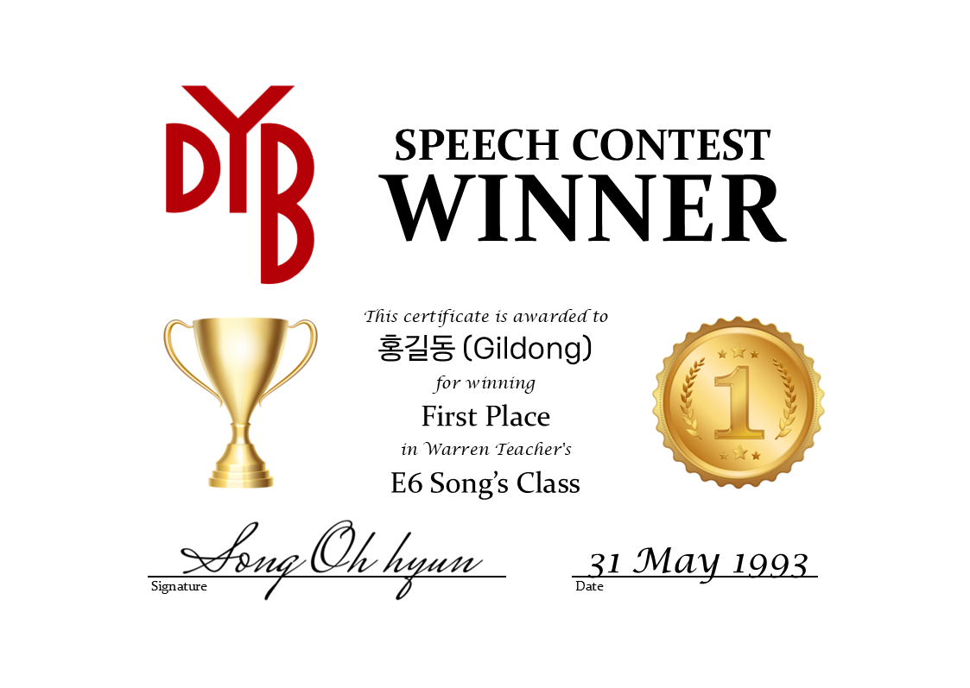

Using the options on the right, you can customize the design and appearance of the winner certificates, and any changes you make will be immediately reflected
in the preview. The certificates will be saved as .pdf files in a separate subfolder
in each class's folder.
Presently, there is only support for a landscape layout and default design, but support for more can easily be added, and suggestions and/or submissions are more than welcome.
If printing to a nice paper stock that already has a border on it, you should choose disabled for the border option. If printing to blank paper or simply providing the .pdf files, there are presently two options for border styles, each with a default border color. You can also choose to set a custom color, using an RGB hexcode.
Note: The final dimensions of the generated certificates will be slightly different from what is displayed in the preview.
 | Type: | Speech Contest
 | Layout: | Landscape
 | Design: | Default
 | Border: | Style 1
 | Border Color: | Default
 | Color Code: | #EFBF04

MonWed
Generate Reports
Generate Proofs
Generate Certificates
Auto-Select Winners
Native Teacher: |  |  | S/V Agreement Verb Tenses Pronouns Prepositions Articles Plurals Correct Vocab. Use Sentence structure | Use of Konglish Clarity / Mumbling Difficult Vocabulary | Flow Varying Intonation Speaking Pace Pauses | Volume Eye contact Energy Tone / Emotion Posture Body Language Gestures | Details Reasons Examples Organization Logic / Relevance Level of Vocab. | General Effort Prepared Memorization Visual Aids |  | Class Winners
Korean Teacher: |  |  |  |  |  |  |  |  |  | First Place:
Level: |  |  |  |  |  |  |  |  |  | Second Place:
Class Days: |  |  |  |  |  |  |  |  |  | Third Place:
Repair Layout
Korean Typing Site
(Class 1) Time:
Evaluation Date:
# | English Name | Korean Name | Grammar | Pronunciation | Fluency | Manner | Content | Overall Effort | Comments (Positive - Negative - Positive) | Notes
1
2
3
4
5
6
7
8
9
10
11
12
13
14
15
16
17
18
19
20
21
22
23
24
25

MonFri
Generate Reports
Generate Proofs
Generate Certificates
Auto-Select Winners
Native Teacher: |  |  | S/V Agreement Verb Tenses Pronouns Prepositions Articles Plurals Correct Vocab. Use Sentence structure | Use of Konglish Clarity / Mumbling Difficult Vocabulary | Flow Varying Intonation Speaking Pace Pauses | Volume Eye contact Energy Tone / Emotion Posture Body Language Gestures | Details Reasons Examples Organization Logic / Relevance Level of Vocab. | General Effort Prepared Memorization Visual Aids |  | Class Winners
Korean Teacher: |  |  |  |  |  |  |  |  |  | First Place:
Level: |  |  |  |  |  |  |  |  |  | Second Place:
Class Days: |  |  |  |  |  |  |  |  |  | Third Place:
Repair Layout
Korean Typing Site
(Class 1) Time:
Evaluation Date:
# | English Name | Korean Name | Grammar | Pronunciation | Fluency | Manner | Content | Overall Effort | Comments (Positive - Negative - Positive) | Notes
1
2
3
4
5
6
7
8
9
10
11
12
13
14
15
16
17
18
19
20
21
22
23
24
25

WedFri
Generate Reports
Generate Proofs
Generate Certificates
Auto-Select Winners
Native Teacher: |  |  | S/V Agreement Verb Tenses Pronouns Prepositions Articles Plurals Correct Vocab. Use Sentence structure | Use of Konglish Clarity / Mumbling Difficult Vocabulary | Flow Varying Intonation Speaking Pace Pauses | Volume Eye contact Energy Tone / Emotion Posture Body Language Gestures | Details Reasons Examples Organization Logic / Relevance Level of Vocab. | General Effort Prepared Memorization Visual Aids |  | Class Winners
Korean Teacher: |  |  |  |  |  |  |  |  |  | First Place:
Level: |  |  |  |  |  |  |  |  |  | Second Place:
Class Days: |  |  |  |  |  |  |  |  |  | Third Place:
Repair Layout
Korean Typing Site
(Class 1) Time:
Evaluation Date:
# | English Name | Korean Name | Grammar | Pronunciation | Fluency | Manner | Content | Overall Effort | Comments (Positive - Negative - Positive) | Notes
1
2
3
4
5
6
7
8
9
10
11
12
13
14
15
16
17
18
19
20
21
22
23
24
25

TTh 1
Generate Reports
Generate Proofs
Generate Certificates
Auto-Select Winners
Native Teacher: |  |  | S/V Agreement Verb Tenses Pronouns Prepositions Articles Plurals Correct Vocab. Use Sentence structure | Use of Konglish Clarity / Mumbling Difficult Vocabulary | Flow Varying Intonation Speaking Pace Pauses | Volume Eye contact Energy Tone / Emotion Posture Body Language Gestures | Details Reasons Examples Organization Logic / Relevance Level of Vocab. | General Effort Prepared Memorization Visual Aids |  | Class Winners
Korean Teacher: |  |  |  |  |  |  |  |  |  | First Place:
Level: |  |  |  |  |  |  |  |  |  | Second Place:
Class Days: |  |  |  |  |  |  |  |  |  | Third Place:
Repair Layout
Korean Typing Site
(Class 1) Time:
Evaluation Date:
# | English Name | Korean Name | Grammar | Pronunciation | Fluency | Manner | Content | Overall Effort | Comments (Positive - Negative - Positive) | Notes
1
2
3
4
5
6
7
8
9
10
11
12
13
14
15
16
17
18
19
20
21
22
23
24
25

TTh 2
Generate Reports
Generate Proofs
Generate Certificates
Auto-Select Winners
Native Teacher: |  |  | S/V Agreement Verb Tenses Pronouns Prepositions Articles Plurals Correct Vocab. Use Sentence structure | Use of Konglish Clarity / Mumbling Difficult Vocabulary | Flow Varying Intonation Speaking Pace Pauses | Volume Eye contact Energy Tone / Emotion Posture Body Language Gestures | Details Reasons Examples Organization Logic / Relevance Level of Vocab. | General Effort Prepared Memorization Visual Aids |  | Class Winners
Korean Teacher: |  |  |  |  |  |  |  |  |  | First Place:
Level: |  |  |  |  |  |  |  |  |  | Second Place:
Class Days: |  |  |  |  |  |  |  |  |  | Third Place:
Repair Layout
Korean Typing Site
(Class 1) Time:
Evaluation Date:
# | English Name | Korean Name | Grammar | Pronunciation | Fluency | Manner | Content | Overall Effort | Comments (Positive - Negative - Positive) | Notes
1
2
3
4
5
6
7
8
9
10
11
12
13
14
15
16
17
18
19
20
21
22
23
24
25

TTh 3
Generate Reports
Generate Proofs
Generate Certificates
Auto-Select Winners
Native Teacher: |  |  | S/V Agreement Verb Tenses Pronouns Prepositions Articles Plurals Correct Vocab. Use Sentence structure | Use of Konglish Clarity / Mumbling Difficult Vocabulary | Flow Varying Intonation Speaking Pace Pauses | Volume Eye contact Energy Tone / Emotion Posture Body Language Gestures | Details Reasons Examples Organization Logic / Relevance Level of Vocab. | General Effort Prepared Memorization Visual Aids |  | Class Winners
Korean Teacher: |  |  |  |  |  |  |  |  |  | First Place:
Level: |  |  |  |  |  |  |  |  |  | Second Place:
Class Days: |  |  |  |  |  |  |  |  |  | Third Place:
Repair Layout
Korean Typing Site
(Class 1) Time:
Evaluation Date:
# | English Name | Korean Name | Grammar | Pronunciation | Fluency | Manner | Content | Overall Effort | Comments (Positive - Negative - Positive) | Notes
1
2
3
4
5
6
7
8
9
10
11
12
13
14
15
16
17
18
19
20
21
22
23
24
25

